Sheet1
09/27/21 Initial test between 1G Intel Nics
 | TCP throughput metric measuring the maximum data transfer rate between containers running on different
 | nodes.
 | 1. TCP Throughtput(1 stream)
 |  | Throughput(Mbps) | CPU(client) % | CPU(server) %
 | direct | 989.98(?) | 38.67 | 31.99
 | cilium(tc) | 941.27 | 4.54 | 22.32
 | mizar | 874.55 | 5.39 | 21.42
 | cilium(xdp)

 | 2. TCP Throughput(32 streams)
 |  | Throughput(Mbps) | CPU(client) % | CPU(server) %
 | direct | 990.09(?) | 40.52 | 35.73
 | cilium(tc) | 943.22 | 6.79 | 60.67
 | mizar | 876.39 | 6.54 | 31.99
 | cilium(xdp)

 | The TCP_RR(requests per second) metric is almost the exact opposite of the throughput metric. It measures
 | the rate of single byte round-trips that can be performed in sequence over a single persistent TCP connection.
 | This benchmark highlights how efficiently a single network packet can be processed.
 | 3. TCP_RR(1p)
 |  | Transactions/s | CPU(client) % | CPU(server) %
 | direct | 10923.28 | 46.68 | 31.49
 | cilium(tc) | 8477.44 | 17.98 | 10.89
 | mizar | 10290.25 | 13.73 | 14.66
 | cilium(xdp)

 | 4. TCP_RR(32p)
 |  | Transactions/s | CPU(client) % | CPU(server) %
 | direct | 148889.6 | 70.08 | 57.84
 | cilium(tc) | 104420.31 | 33.54 | 32.99
 | mizar | 126999.35 | 35.65 | 33.69
 | cilium(xdp)

 | TCP_CRR(the connection rate) benchmark builds on top of the requests per second benchmark but initiates
 | a new connection for each request.
 | 5. TCP_CRR(1p)
 |  | Transactions/s | CPU(client) % | CPU(server) %
 | direct | 3475.06 | 60.67 | 35.4
 | cilium(tc) | 2741.76 | 31.85 | 13.09
 | mizar | 3843.93 | 31.52 | 26.78
 | cilium(xdp)

 | 6. TCP_CRR(32p)
 |  | Transactions/s | CPU(client) % | CPU(server) %
 | direct | 3477.05 | 60.98 | 36.95
 | cilium(tc) | 2744.79 | 31.86 | 13.2
 | mizar | 3848.55 | 33.15 | 12.01
 | cilium(xdp)

 | Notes:
 | Items to follow up:
 | 1. fix checksum issue in mizar;
 | 2. test nic that support xdp native mode(cilium/xdp only work for native mode);
 | 3. run mizar in xdp native mode(current default is xdp_generic mode);
 | 4. use higher speed NIC if possible, 100G;
 | 5. create smaller docker image footprint.
 | 6. metrics server service not working currently

 | List of drivers supporting native XDP
 | Vendor | Driver | XDP Support
 | Amazon | ena | >= 5.6
 | Broadcom | bnxt_en | >= 4.11
 | Cavium | thunderx | >= 4.12
 | Freescale | dpaa2 | >= 5.0
 | Intel | ixgbe | >= 4.12
 |  | ixgbevf | >= 4.17
 |  | i40e | >= 4.13
 |  | ice | >= 5.5

 | Marvell | mvneta | >= 5.5
 | Mellanox | mlx4 | >= 4.8
 |  | mlx5 | >= 4.9
 | Microsoft | hv_netvsc | >= 5.6
 | Netronome | nfp | >= 4.10
 | Others | virtio_net | >= 4.10
 |  | tun/tap | >= 4.14
 | Qlogic | qede | >= 4.10
 | Socionext | netsec | >= 5.3
 | Solarflare | sfc | >= 5.5
 | Texas Instruments | cpsw | >= 5.3
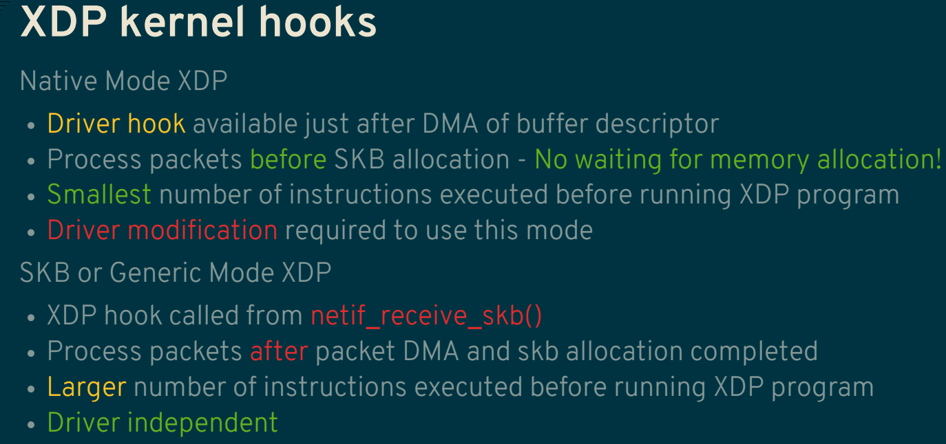

2021-10-05 | Test on Nvidia 100G nic
 | TCP throughput metric measuring the maximum data transfer rate between containers
 | running on different nodes.
 | 1. TCP Throughtput(1 stream)
 |  | Throughput(Mbps) | CPU(client) % | CPU(server) %
 | direct | 22793.54 | 64.91 | 101.01 |  | Tcp:
 | cilium(legacy) | 16095.25 | 64.88 | 67.96 |  | 7780 active connection openings
 | cilium(tc) | 17110.02 | 78.78 | 67.35 |  | 7351 passive connection openings
 | mizar | 3900.54 | 56.23 | 46.4 | unstable | 114 failed connection attempts
 |  | 4198.23 | 96.94 | 42
 | cilium(xdp) | 18884.59 | 66.85 | 68.66 |  | 6096 connection resets received
 |  |  |  |  |  | 216 connections established
 | 2. TCP Throughput(32 streams) |  |  |  |  | 893355 segments received
 |  | Throughput(Mbps) | CPU(client) % | CPU(server) % |  | 902403 segments sent out
 | direct | 72905.85 | 446.75 | 714.25 |  | 249 segments retransmitted
 | cilium(legacy) | 73692.75 | 546.32 | 1422.81 |  | 1349 bad segments received
 | cilium(tc) | 74414.61 | 549.68 | 1351.82 |  | 7438 resets sent
 | mizar | 5047.57 | 38.78 | 87.24 | skb mode | InCsumErrors: 1349
 | cilium(xdp) | 74033.8 | 548 | 1558.76 | native mode

 | The TCP_RR(requests per second) metric is almost the exact opposite of the throughput metric.
 | It measures the rate of single byte round-trips that can be performed in sequence over a single
 | persistent TCP connection. This benchmark highlights how efficiently a single network packet
 | can be processed.
 | 3. TCP_RR(1p)
 |  | Transactions/s | CPU(client) % | CPU(server) %
 | direct | 52267.2 | 42.08 | 32.35
 | cilium(tc) | 18639.38 | 18.25 | 33.01
 | mizar | 29697.92 | 26.26 | 35.26
 | cilium(xdp) | 18464.35 | 17.48 | 33.24

 | 4. TCP_RR(32p)
 |  | Transactions/s | CPU(client) % | CPU(server) %
 | direct | 334899.76 | 98.39 | 102.43
 | cilium(tc) | 263572.88 | 60.46 | 59.67
 | mizar | 345892.4 | 89.08 | 83.55
 | cilium(xdp) | 263831.97 | 60.59 | 59.34

 | TCP_CRR(the connection rate) benchmark builds on top of the requests per second
 | benchmark but initiates a new connection for each request.
 | 5. TCP_CRR(1p)
 |  | Transactions/s | CPU(client) % | CPU(server) %
 | direct | 4933.52 | 40.12 | 22.05
 | cilium(tc) | 3369.64 | 39.09 | 17.25
 | mizar | 7682.74 | 58.57 | 21.31
 | cilium(xdp) | 3316.85 | 38.31 | 17.33

 | 6. TCP_CRR(32p)
 |  | Transactions/s | CPU(client) % | CPU(server) %
 | direct | 4995.49 | 39.98 | 22.3
 | cilium(tc) | 3359.54 | 38.92 | 17.29
 | mizar | 7754.33 | 58.42 | 21.48
 | cilium(xdp) | 3321.29 | 37.94 | 17.24

09/27/21 Initial test on 1G Intel Nics
 | TCP throughput metric measuring the maximum data transfer rate between containers running
 | on different nodes.
 | 1. TCP Throughtput(1 stream)
 |  | Throughput(Mbps) | CPU(client) % | CPU(server) %
 | direct | 989.98(?) | 38.67 | 31.99
 | cilium(tc) | 941.27 | 4.54 | 22.32
 | mizar | 874.55 | 5.39 | 21.42
 | cilium(xdp)

 | 2. TCP Throughput(32 streams)
 |  | Throughput(Mbps) | CPU(client) % | CPU(server) %
 | direct | 990.09(?) | 40.52 | 35.73
 | cilium(tc) | 943.22 | 6.79 | 60.67
 | mizar | 876.39 | 6.54 | 31.99
 | cilium(xdp)

 | The TCP_RR(requests per second) metric is almost the exact opposite of the throughput metric.
 | It measures the rate of single byte round-trips that can be performed in sequence over a single
 | persistent TCP connection. This benchmark highlights how efficiently a single network packet
 | can be processed.
 | 3. TCP_RR(1p)
 |  | Transactions/s | CPU(client) % | CPU(server) %
 | direct | 10923.28 | 46.68 | 31.49
 | cilium(tc) | 8477.44 | 17.98 | 10.89
 | mizar | 10290.25 | 13.73 | 14.66
 | cilium(xdp)

 | 4. TCP_RR(32p)
 |  | Transactions/s | CPU(client) % | CPU(server) %
 | direct | 148889.6 | 70.08 | 57.84
 | cilium(tc) | 104420.31 | 33.54 | 32.99
 | mizar | 126999.35 | 35.65 | 33.69
 | cilium(xdp)

 | TCP_CRR(the connection rate) benchmark builds on top of the requests per second benchmark
 | but initiates a new connection for each request.
 | 5. TCP_CRR(1p)
 |  | Transactions/s | CPU(client) % | CPU(server) %
 | direct | 3475.06 | 60.67 | 35.4
 | cilium(tc) | 2741.76 | 31.85 | 13.09
 | mizar | 3843.93 | 31.52 | 26.78
 | cilium(xdp)

 | 6. TCP_CRR(32p)
 |  | Transactions/s | CPU(client) % | CPU(server) %
 | direct | 3477.05 | 60.98 | 36.95
 | cilium(tc) | 2744.79 | 31.86 | 13.2
 | mizar | 3848.55 | 33.15 | 12.01
 | cilium(xdp)

